Functional Flow Diagram
Tia & Noordin Mobile App Functionality Flow Diagram

Login Screen
Navigation Buttons

M
 | Menus | Valid Credentials
Dash Board
W
M
W
 | Walk In
P
 | Priority Cases Outstanding
A
P
A
O
DASHBOARD
Based on the user click on "P" or "A" or "O" the case type in the input parameter screen of List of Cases may vary.
Case Type "P" : Priority
Case Type "A" : Pending
Case Type "O" : Open
 | For Your Action
O
 | Open Cases

List of Cases (Input parameter screen)

MENU - SIDE PANEL
Based on the user role "CASE ENQUIRY" menu will be read only / enable.
CASE ENQUIRY(Can only be accessed by Manager, LA & Patners)
List of Cases (Result Screen)

Menu - Side Panel
WALK IN
CASES ENQUIRY
Generate Quotation
Individual
Company
PROPERTY ENQUIRY
INDIVIDUAL ENQUIRY

CORPORATE ENQUIRY
Generate Quotation
Generate the quotation in PDF format based on the users input and display on the top of the screen.
User clicks the "Print" option in the PDF for printing.

ADD CASE
DASHBOARD
Search Criteria (Full Name, Mobile No., ID No.)

LOGOUT

 |  |  | Record Matches | Record Not Matches

CASE ENQUIRY (Input parameter screen)
PROPERTY ENQUIRY (Input parameter screen)
Records Matches
Open the "INDIVIDUAL" screen with the related informations.
Records Not Matches
Open the "INDIVIDUAL" screen with blank fileds.

CASE ENQUIRY (Result Screen)
PROPERTY ENQUIRY (Result Screen)
INDIVIDUAL
INDIVIDUAL

Read Front IC
Read Back IC
Read Front IC
Read Back IC

Find
Add
Edit
Confirm
Find
Add
Edit
Confirm

INDIVIDUAL EDIT
.- Click the "Edit" button to amend the information, once done click the "Confirm" to update.
- Like the wise we can upload the IC detailes with image if it`s blank and click "Confirm" button to update
INDIVIDUAL - READ FRONT IC
.- Can trigger to get the IC information while click "Read Front IC" button with the help of OCR, before that user has to scan the IC.
- Once get the IC Number check in the DB if exists / not.
- If exists load the information
- If not load the image and IC No. and make enable all the information fields to Add a new record.
INDIVIDUAL EDIT
.- Click the "Edit" button to amend the information, once done click the "Confirm" to update.
- Like the wise we can upload the IC detailes with image if it`s blank and click "Confirm" button to update

Login Screen
Login Screen |  |  |  | Back

Mockup Screen

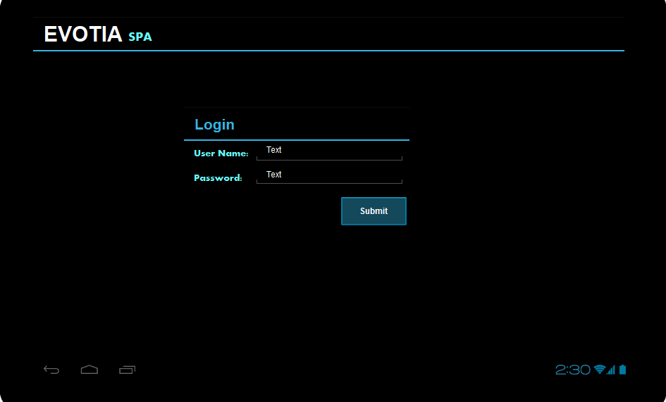

Web Services

TB : Target Benchmark
YS : Your Scores
No. | Mobile Screen | Web Method Name | Input Parameter |  | Output | JSON Input | Information | Validations
1 | Login Screen | SPA_ValidateUser() | UserName, Password, Category |  | UserName(Code), Name, Category, Status, TB_TM_NewCases, TB_TM_ClosedCases, TB_LM_NewCases, TB_LM_ClosedCases, YS_TM_Turnaround, YS_TM_Totaloutput, YS_LM_Turnaround, YS_LM_Totaloutput, Priority cases outstanding, For your action, Open cases | { "UserName":"User1", "Password":"1234" , "Category" : "SPA"} | This Service will validate the User , and gives the success or Failure message along with some information as Json String

Functionality

 | 7 Roles (hem6.roleid) to be created: SPA, Loan, Transfer, Discharge, Litigation, Tenancy, Will_Trust.
 | There will be 7 mobile apps, one for each role.

 | An employee must be a member of the role to access the corresponding mobile app. For example, Christine is a member of SPA but not Litigation. She will have access to SPA mobile app and no access to Litigation app.

 | Each Role to have 5subroles(hem6.u_subrole): Customer Service (CS), In-Charge (IC), manager (MG), partner (PT) and Legal Assistant (LA)

 | All mobile app users will be created as an employee in the employee master data.

 | Each employee will be a member of at least one role with a single subrole in each role.

 | In addition, each employee will have a flag to indicate if the user can handle commercial cases.

Store Procedure

 | [dbo].[AE_SPA001_Mobile_ValidateUser] @UserName ,@Password, @Category
 | [dbo].[AE_SPA002_Mobile_GetDashboardInfo] @Category, @UserName ,@Date

Dashboard Screen
Dashboard Screen |  |  |  | Back

Mockup Screen

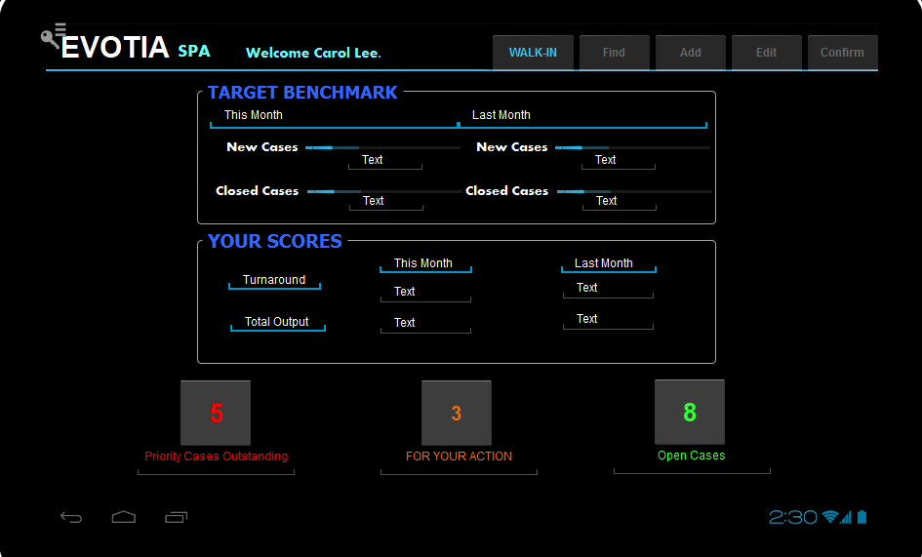

Validation

 | WALK-IN - | Editable
 | Find - | Non Editable
 | Add - | Non Editable
 | Edit - | Non Editable
 | Confirm - | Editable
 | Navigation Drawer - |  | Editable
 | Priority - |  | Editable
 | Action - |  | Editable
 | Open Cases - |  | Editable

Menus
Menu

Mockup Screen
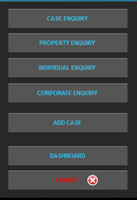

Validations

 | · Case Enquiry (Can only be accessed by Managers, LA and Partners. Dim off if user is not one of them.)
 | · Add Case Dim off (cannot create case if user is not CS and not IC)

WalkIn
Walkin Screen |  |  |  |  | Back

Mockup Screen
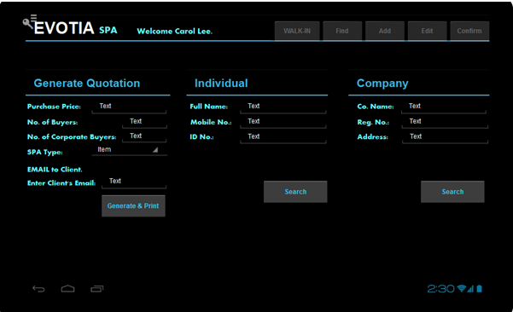

Web Services

No. | Mobile Screen |  | Web Method Name | Input Parameter |  | Output | JSON Input | Information | Validations
1 | Walkin screen |  | SPA_IndividualSearch() | FullName, MobileNum, IdNum, Category |  | Code, DocEntry,EmployeeName, Title, Gender, IdNo1 ,IdNo3, TaxNo, MobileNo, Telephone, OfficeNo, IDAddress1, IDAddress2, IDAddress3, IDAddress4, IDAddress5, CorresAddr1, CorresAddr2, CorresAddr3, CorresAddr4, CorresAddr5,AddressToUse, LastUpdatedOn | { "FullName": "CHAI SEEN", "MobileNum": "9715450006", "IDNum": "481024-08-5193", "Category": "SPA" } | This will Search the Record in the Related Party table. This is An Exact search. If data is available for the seach Key, then this service will return the particular data | The Validation is Either Two fields is Mandatory for Search . It could be, 1) Either Full Name or Mobile Num 2) Either Full Name or Id Number 3) Or Mobile Num or Id Number
2 | Walkin screen |  | SPA_CorporateSearch() | Company Name, Reg num, Address, Category |  | Code, DocEntry,CompanyName, BRN No, TaxNo, OfficeNo, IDAddress1, IDAddress2, IDAddress3, IDAddress4, IDAddress5, CorresAddr1, CorresAddr2, CorresAddr3, CorresAddr4, CorresAddr5,AddressToUse, Director Code, Director Name, Director Contact Number, LastUpdatedOn | { "CompanyName": "SERI", "RegNum": "41628-A", "Address": "", "Category": "SPA"} | This will Search the Record in the Related Party table. This is An Partial Like Cum Exact search. If data is available for the seach Key, then this service will return the particular data | The Validation is Either Two fields is Mandatory for Search . It could be, The Search key "Reg Num" Is Exact Search and Other two parameters are like Search

Validation

 | Screen Load
 |  | WALK-IN - Non Editable
 |  | Find - Non Editable
 |  | Add - Non Editable
 |  | Edit - Non Editable
 |  | Confirm - Non Editable
 |  | Generate & Print - Editable
 |  | Individual Search - Editable
 |  | Corporate Search - Editable

 | Button Click Individual Search
 |  | Mandatory 2 of 3, if the key in information matches display in the individual screen otherwise prompt the msg no matching records found.

 | Button Click Corporate Search
 |  | Mandatory 2 of 3, if the key in information matches display in the corporate screen otherwise prompt the msg no matching records found.

Property Enquiry
Property Enquire Screen |  |  |  |  | Back

Mockup Screen
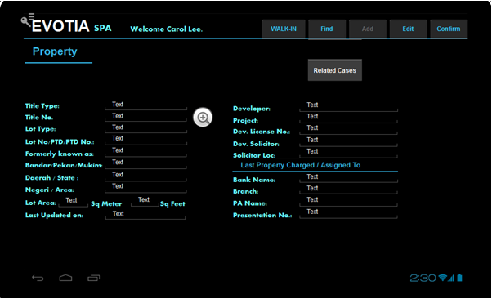

Web Services

No. | Mobile Screen |  | Web Method Name | Input Parameter |  | Output | JSON Input | Information | Validations
1 | Property Enquiry |  | SPA_ListofPropertyEnquiry() | TITLETYPE, TITLENO, LOTTYPE, LOT_NO, FORMERLY_KNOWN_AS, BPM , STATE, AREA |  | CODE, TITLETYPE, TITLENO, LOTTYPE, LOT_NO, FORMERLY_KNOWN_AS, BPM , STATE, AREA | { "TITLETYPE": "", "TITLENO": "", "LOTTYPE": "", "LOT_NO": "", "FORMERLY_KNOWN_AS": "", "BPM": "", "STATE": "", "AREA": ""} | This Service will return the list of Property based on the Proper search from the Mobile UI
2 | Property Enquiry |  | SPA_PropertyEnquiryDetails() | CODE, CATEGORY |  | CODE,TITLETYPE,TITLENO,LOTTYPE,LOTNO,FORMERLY_KNOWN_AS,BPM,STATE,AREA,LOTAREA_SQM,LOTAREA_SQFT, LASTUPDATEDON, DEVELOPER, DVLPR_CODE, PROJECT, DEVLICNO, DEVSOLICTOR, DVLPR_SOL_CODE, DVLPR_LOC, LSTCHG_BANKCODE, LSTCHG_BANKNAME, LSTCHG_BRANCH, LSTCHG_PANO, LSTCHG_PRSTNO | { "Code": "P-001", "Category": "SPA" } | This Service will return the list of Property data which is already exists in the SAP, based on the User click the Items in the List from the Mobile UI
3 | Property Enquiry |  | SPA_EditPropertyEnquiryDetails() | CODE,TITLETYPE,TITLENO,LOTTYPE,LOTNO,FORMERLY_KNOWN_AS,BPM,STATE,AREA,LOTAREA_SQM,LOTAREA_SQFT, LASTUPDATEDON, DEVELOPER, DVLPR_CODE, PROJECT, DEVLICNO, DEVSOLICTOR, DVLPR_SOL_CODE, DVLPR_LOC, LSTCHG_BANKCODE, LSTCHG_BANKNAME, LSTCHG_BRANCH, LSTCHG_PANO, LSTCHG_PRSTNO |  | Status for Successfully Updated or Not | { "CODE": "P-001", "TITLETYPE": "", "TITLENO": "278902", "LOTTYPE": "Buildings", "LOTNO": "16303", "FORMERLY_KNOWN_AS": "", "BPM": "", "STATE": "Johor", "AREA": "Johor Bahru", "LOTAREA_SQM": "143", "LOTAREA_SQFT": "", "LASTUPDATEDON": "", "DEVELOPER": "", "DVLPR_CODE": "", "PROJECT": "", "DEVLICNO": "", "DEVSOLICTOR": "", "DVLPR_SOL_CODE": "", "DVLPR_LOC": "", "LSTCHG_BANKCODE": "", "LSTCHG_BANKNAME": "", "LSTCHG_BRANCH": "", "LSTCHG_PANO": "", "LSTCHG_PRSTNO": ""} | This Service Update the data in SAP, which the user edited for the Particular Property
4 | Property Enquiry |  | SPA_AddPropertyEnquiryDetails() | CODE,TITLETYPE,TITLENO,LOTTYPE,LOTNO,FORMERLY_KNOWN_AS,BPM,STATE,AREA,LOTAREA_SQM,LOTAREA_SQFT, LASTUPDATEDON, DEVELOPER, DVLPR_CODE, PROJECT, DEVLICNO, DEVSOLICTOR, DVLPR_SOL_CODE, DVLPR_LOC, LSTCHG_BANKCODE, LSTCHG_BANKNAME, LSTCHG_BRANCH, LSTCHG_PANO, LSTCHG_PRSTNO |  | Status for Successfully Added or Not | { "CODE": "P-006", "TITLETYPE": "SAMPLE", "TITLENO": "278902", "LOTTYPE": "Buildings Name", "LOTNO": "16302", "FORMERLY_KNOWN_AS": "Same", "BPM": "12Resi", "STATE": "Johor", "AREA": "Johor Bahru", "LOTAREA_SQM": "143", "LOTAREA_SQFT": "25", "LASTUPDATEDON": "", "DEVELOPER": "Ram", "DVLPR_CODE": "000000000001", "PROJECT": "", "DEVLICNO": "548", "DEVSOLICTOR": "Baha", "DVLPR_SOL_CODE": "000000000001", "DVLPR_LOC": "Ramiz", "LSTCHG_BANKCODE": "000000000001", "LSTCHG_BANKNAME": "INDUS", "LSTCHG_BRANCH": "KAMER", "LSTCHG_PANO": "124", "LSTCHG_PRSTNO": "TIEM21"} | This Service Add the data in SAP, which the user edited for the Particular Property
5 | Property Enquiry - Related Cases |  | SPA_RelatedCases() | PropertyCode, RelatedPartyCode, CallFrom, Category |  | CaseFileNo, RelatedFileNo, BranchCode, FileOpenedDate, IC, CaseType, ClientName, BankName, Branch, LOTNo, CaseAmount, UserCode, Status, FileClosedDate, | { "PropertyCode": "000000000001", "RelatedPartyCode" : "","CallFrom" : "PROPERTY", "Category": "SPA" } | This Service will return the list of Property data which is already exists in the SAP, based on the User click the Items in the List from the Mobile UI
6 | Property Enquiry |  | SPA_Property_GetDropdownValues() | NULL |  | BankCode, BankName, DevCode, DevName, SoliCode, SoliName |  | This service will return the data for the bank, developer and solicitor dropdowns
7 | Property Enquiry |  | SPA_GetProject() | NULL |  | Project Id, Project Name |  | This service will return the data for the Project dropdown

Validation

 | Screen Load
 |  | WALK-IN - Non Editable
 |  | Find - Non Editable
 |  | Add - Editable
 |  | Edit - Non Editable
 |  | Confirm - Non Editable
 |  | Related Cases - Non Editable
 |  | 1 to 8 textbox - Editable
 |  | Rest - Non Editable

 | Button Click

 |  | Pass the 1st 8th fields as parameter to the web services "" and the matching records will be shown in the List of property screen.
 |  | If users select any one of the property , it has to appear in this screen and all the texboxes are non-editable

 |  | WALK-IN - Non Editable
 |  | Find - Non Editable
 |  | Add - Non Editable
 |  | Edit - Editable
 |  | Confirm - Non Editable
 |  | Related Cases - Editable

 | Button Click

 |  | Make all the text boxes clear & editable

 |  | WALK-IN - Non Editable
 |  | Find - Editable
 |  | Add - Non Editable
 |  | Edit - Non Editable
 |  | Confirm - Editable
 |  | Related Cases - Editable

 | Button Click

 |  | Make all the text boxes editable

 |  | WALK-IN - Non Editable
 |  | Find - Non Editable
 |  | Add - Non Editable
 |  | Edit - Non Editable
 |  | Confirm - Editable
 |  | Related Cases - Editable

 | Button Click

 |  | It should prompt acknowledgement, once accept it will save the information otherwise not.
 |  | Clear all the text boxes and follow the Screen load validation

Individual
Individual Screen |  |  |  |  | Back

Mockup Screen

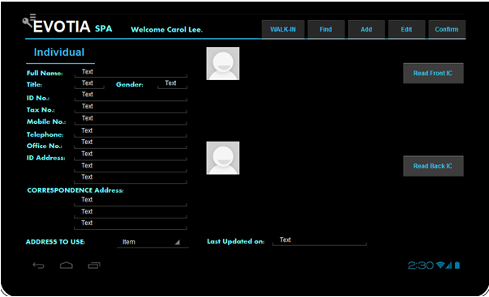

Web Services

No. | Mobile Screen |  | Web Method Name | Input Parameter |  | Output | JSON Input | Information | Validations
1 | Individual Screen |  | SPA_AddIndividual() | Code, DocEntry, EmployeeName, Title, Gender, IDNo1, IDNo3, TaxNo, MobileNo, Telephone, OfficeNo, IDAddress1, IDAddress2, IDAddress3, IDAddress4, IDAddress5, CorresAddr1, CorresAddr2, CorresAddr3, CorresAddr4, CorresAddr5, AddressToUse, LastUpdatedOn |  | Success or Failure Message based on the Document Creation Process | { "Code": "", "DocEntry": "", "EmployeeName": "Naveen", "Title": "SA", "Gender": "LELAKI", "IDNo1": "484424-08-5193", "IDNo3": "7584239", "TaxNo": "5541", "MobileNo": "7667266203", "Telephone": "", "OfficeNo": "", "IDAddress1": "47", "IDAddress2": "raja st", "IDAddress3": "kavin road", "IDAddress4": "chennai", "IDAddress5": "tamilnadu", "CorresAddr1": "44", "CorresAddr2": "ram nagar", "CorresAddr3": "ECR tail", "CorresAddr4": "chennai", "CorresAddr5": "tamilnadu", "AddressToUse": "ADDRESS_ID", "LastUpdatedOn": ""} | This Service will add the Individual in the @AE_RelatedParty Table with the ID Type as "INDIVIDUAL"
2 | Individual Screen |  | SPA_EditIndividual() | Code, DocEntry, EmployeeName, Title, Gender, IDNo1, IDNo3, TaxNo, MobileNo, Telephone, OfficeNo, IDAddress1, IDAddress2, IDAddress3, IDAddress4, IDAddress5, CorresAddr1, CorresAddr2, CorresAddr3, CorresAddr4, CorresAddr5, AddressToUse, LastUpdatedOn |  | Success or Failure Message based on the Document Updation Process | { "Code": "000000000015", "DocEntry": "15", "EmployeeName": "Naveen", "Title": "MR", "Gender": "LELAKI", "IDNo1": "484424-08-5193", "IDNo3": "7584239", "TaxNo": "5541", "MobileNo": "7667266203", "Telephone": "", "OfficeNo": "", "IDAddress1": "47", "IDAddress2": "raja st1", "IDAddress3": "kavin road1", "IDAddress4": "chennai", "IDAddress5": "tamilnadu", "CorresAddr1": "44", "CorresAddr2": "ram nagar1", "CorresAddr3": "ECR tail1", "CorresAddr4": "chennai", "CorresAddr5": "tamilnadu", "AddressToUse": "ADDRESS_ID", "LastUpdatedOn": ""} | This Service will Update the Individual in the @AE_RelatedParty Table with the ID Type as "INDIVIDUAL"
3 | Individual Screen |  | SPA_GetValidValues() | TableName, FieldName |  | Id, Name | { "TableName": "@AE_RELATEDPARTY", "FieldName": "INDIVIDUAL_TITLE"} | This service will return the data for the Individual Title dropdown
4 | Individual Screen |  | SPA_GetValidValues() | TableName, FieldName |  | Id, Name | { "TableName": "@AE_RELATEDPARTY", "FieldName": "GENDER"} | This service will return the data for the Gender dropdown
5 | Individual Screen |  | SPA_GetValidValues() | TableName, FieldName |  | Id, Name | { "TableName": "@AE_RELATEDPARTY", "FieldName": "ADDRESS_TOUSE"} | This service will return the data for the Address to use dropdown
6 | Individual Screen - Related Cases |  | SPA_RelatedCases() | PropertyCode, RelatedPartyCode, CallFrom, Category |  | CaseFileNo, RelatedFileNo, BranchCode, FileOpenedDate, IC, CaseType, ClientName, BankName, Branch, LOTNo, CaseAmount, UserCode, Status, FileClosedDate, | { "PropertyCode": "000000000015", "RelatedPartyCode" : "","CallFrom" : "RELATEDPARTY", "Category": "SPA" } | This Service will return the list of Property data which is already exists in the SAP, based on the User click the Items in the List from the Mobile UI

Validation

From WalkIn
 | Screen Load
 |  | WALK-IN - Non Editable
 |  | Find - Non Editable
 |  | Add - Non Editable
 |  | Edit - Editable
 |  | Confirm - Non Editable

 | Button Click

 |  | WALK-IN - Non Editable
 |  | Find - Non Editable
 |  | Add - Non Editable
 |  | Edit - Non Editable
 |  | Confirm - Editable
 |  | All Text Fields should be editable

 | Button Click

 |  | It should prompt acknowledgement, once accept it will update the information otherwise not and show the result msg.
 |  | Navigate to the WalkIn Screen

From Individual Menu
 | Screen Load
 |  | WALK-IN - Non Editable
 |  | Find - Non Editable
 |  | Add - Non Editable
 |  | Edit - Non Editable
 |  | Confirm - Editable

 | Button Click

 |  | It should prompt acknowledgement, once accept it will save the information otherwise not and show the result msg.
 |  | Clear all the text boxes and follow the Screen load validation

Corporate
Individual Screen |  |  |  | Back

Mockup Screen

 | Note : In this Corporate Screen, all the Fields are Read only (Non Editable)

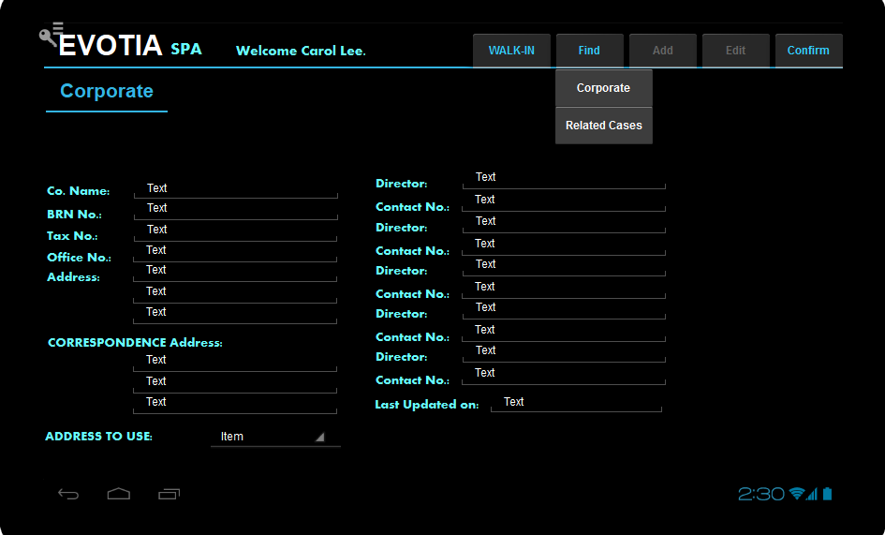

Web Services

No. | Mobile Screen | Web Method Name | Input Parameter |  | Output | JSON Input | Information | Validations
1 | Corporate Screen | SPA_CorporateSearch() | Company Name, Reg num, Address, Category |  | Code, DocEntry,CompanyName, BRN No, TaxNo, OfficeNo, IDAddress1, IDAddress2, IDAddress3, IDAddress4, IDAddress5, CorresAddr1, CorresAddr2, CorresAddr3, CorresAddr4, CorresAddr5,AddressToUse, Director Code, Director Name, Director Contact Number, LastUpdatedOn | { "CompanyName": "SERI", "RegNum": "41628-A", "Address": "", "Category": "SPA"} | This will Search the Record in the Related Party table. This is An Partial Like Cum Exact search. If data is available for the seach Key, then this service will return the particular data | The Validation is Either Two fields is Mandatory for Search . It could be, The Search key "Reg Num" Is Exact Search and Other two parameters are like Search
2 | Corporate Screen - Related Cases | SPA_RelatedCases() | PropertyCode, RelatedPartyCode, CallFrom, Category |  | CaseFileNo, RelatedFileNo, BranchCode, FileOpenedDate, IC, CaseType, ClientName, BankName, Branch, LOTNo, CaseAmount, UserCode, Status, FileClosedDate, | { "PropertyCode": "000000000015", "RelatedPartyCode" : "","CallFrom" : "RELATEDPARTY", "Category": "SPA" } | This Service will return the list of Property data which is already exists in the SAP, based on the User click the Items in the List from the Mobile UI

Add Case
Add Case Screen |  |  |  |  | Back

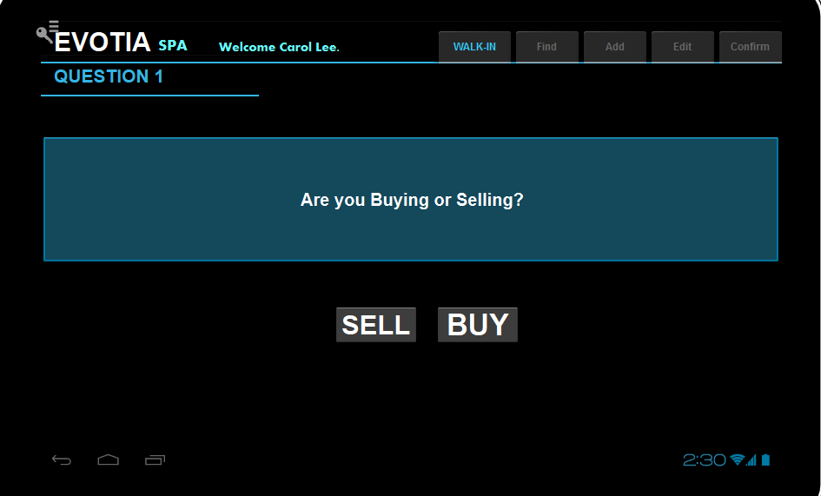

· If user click “SELL”,
o Set OCRD. QryGroup3 =’Y’.
o Set OCRD. U_VNDR_RP_FIRM =”Y’
o Set OCRD. U_VNDR_RP_LWYR=”Y”

· If user click “BUY”,
o Set OCRD.QryGroup4=’Y’.
o Set OCRD.U_PURCH_RP_FIRM=”Y”
o Set OCRD.U_PURCH_RP_LWYR=”Y”

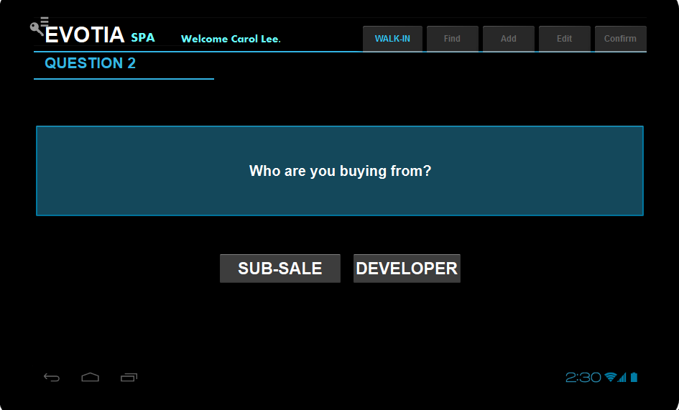

· If user click “SUB-SALE”,
o Set OCRD.QryGroup6=’Y’.

· If user click “DEVELOPER”,
Set OCRD.QryGroup5=’Y’.
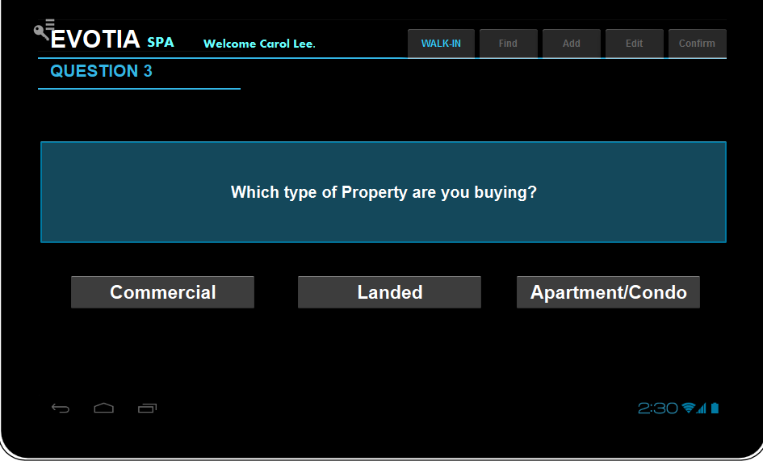

· If User Click Commercial,
o Set OCRD.QryGroup7=’Y’.

· If User Click Landed,
o Set OCRD.QryGroup8=’Y’.

· If User Click Apt/Condo,
o Set OCRD.QryGroup9=’Y’.

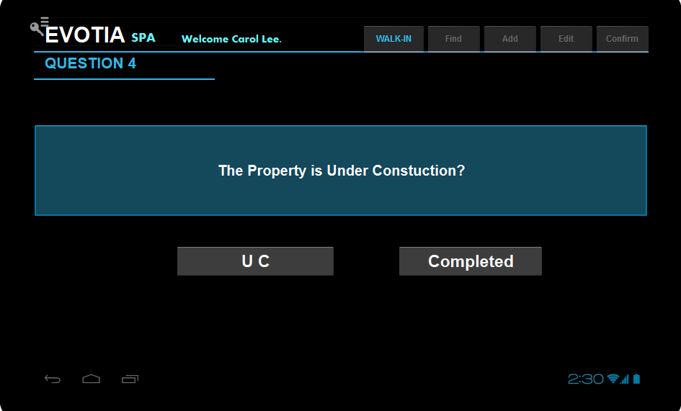

· If User Click UC,
o Set OCRD.QryGroup10=’Y’.

· If User Click Completed,
o
Set OCRD.QryGroup11=’Y’.

Web Services

No. | Mobile Screen |  | Web Method Name | Input Parameter |  | Output | JSON Input | Information | Validations
1

After question 4 call the webservice and insert the information in the Tmp table [AE_OCRD]
That navigate to the below screen

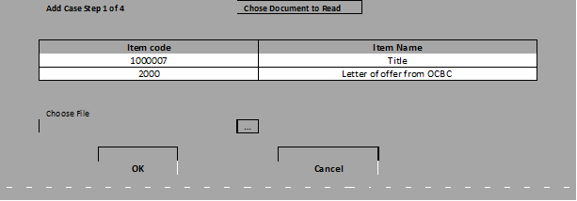

 | Button Click "Choose Document to Read"

 | Call the webservice and load the information in the list view

 | Button Click "..."

 | provide an option to select the file in the local folder

 | Button Click "OK"

 | Convert the file into binary format and send 3 parameters to the webservice
 |  | 1) ItemCode
 |  | 2) Item Name
 |  | 3) Binary format

 | Button Click "Cancel"

 | Navigate to the Dashboard Screen

